ACH
Automated Clearing House (ACH) merchants
Standard Entry Class (SEC) Describes the type of payment and how it is authorized |  |  | Proof of Authorization (POA) Documents confirming properly obtaining the customer's consent
PPD Prearranged Payment and Deposit |  | ACH entry sent to a consumer bank account (B2C) | Signed ACH authorization form |  | POA's should include the following information and be retained for two years: - Express authorization language including names of both the customer and merchant (e.g., "I [customer name] authorize [merchant name] to debit my account" - Amount of transaction or range of amounts - Date and/or frequency of the transaction - Payer's bank account number and routing number - Revocation language (for recurring or payments scheduled in advance)
CCD Corporate Credit or Debit Entry |  | ACH entry sent to a corporate bank account (B2B) | Signed ACH authorization form
TEL Telephone-Initiated Entry |  | ACH entry that occurs when the authorization is received verbally via the telephone. | Telephone call script
WEB Internet Initiated/Mobile Entry |  | ACH entry that occurs when the authorization is received over the internet. | Screenshot of the payment page showing the authorization language
ACH origination method
Debit |  | Initiating a payment by pulling funds from a bank account. | Example: gym membership, utility payments, insurance premiums.
Credit |  | Initiating a payment by pushing funds into a bank account. | Example: payroll, payouts for gaming platforms, refunds.
Risk Categorization
Low-risk merchants are generally merchants posing minimal risks with lower risk products/services including, without limitation, low future delivery risks (< 15-30 days), low returns, and no regulatory exposure/scrutiny. Merchants at or exceeding the below thresholds may be reclassified from Low Risk to High Risk. Ratios are calculated as the count of returns divided by the count of ACH originations over a 60 day period.
Overall returns | 10% | Unauthorized returns (R05, R07, R10. R29. R51) | 0.20% | Administrative Returns (R02, R03, R04) | 2.0%

POA Examples
PPD and CCD
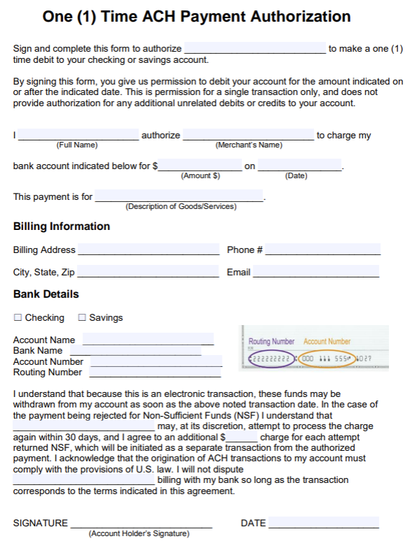
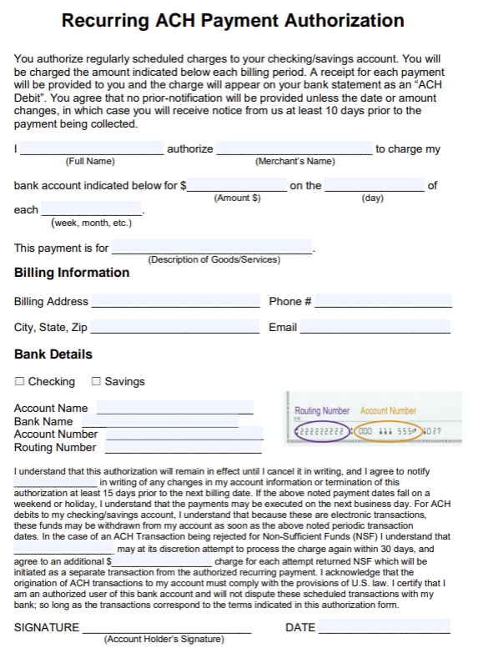

WEB
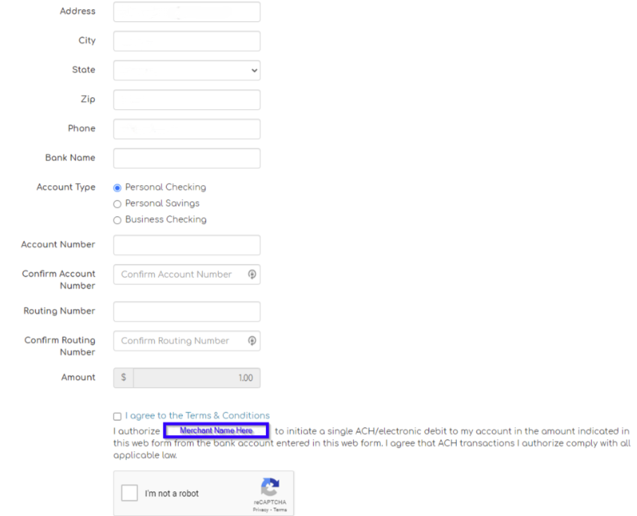

TEL
